Test Cases
Sr. No. | Test Case | TCID | Actions | Expected Result | Runmode | Result | Comments
1 | A: Verify the access to the Testing page. B: Verify Tester can do testing (hence able to change the Testing status of assciated Test Steps of a test pass till it reaches to its 'End Date' . C: Verify Tester is unable to do testing of a test pass whose 'Start Date' is Yet to come. D: Verify the content of the Testing page. E: Verify the Test Pass(es) drop down for tester. F: Verify the UAT Environments drop down for tester. G: 1. Verify the save functionality. 2. Verify the auto save functionality 3. Verify the Statistics at the top H: Verify the Attachment functionality I: Verify user can copy and paste anything in the 'Actual Result' field of a Test Step J: Verify the 'Click here to Preview' feature of | Testing_VerifyContentsOfPage | 1.Create a Project. 2.Create three Test Pass.(one with start date yet to come) 3.Create two Test Case under each Test Pass. 4.Create Testers for each Test Pass.(Preferably same tester) 5.Create two Test Steps for each Test Case of the Test Pass. 6.Go to Configuration Tab, select user settings, create new UAT Enviroment and assign it to respective tester. 7.Login with Tester credentials. 8.Click on 'Begin/Continue Testing' link A and B: 1. Assign a Tester For a Test Pass whose 'End Date' is not yet reached to its 'End Date'. 2. Login with that Tester credentials. 3. Click on 'Begin Testing' link to so testing of respective Test Pass. 4. Start the testing of the Test Pass with respective status and 'Actual Result'. 5. Again go to 'My Activity' and click on 'Continue Testing' link. 6. Perform Testing untill Testing Completes. C: 1. Assign a Tester For a Test Pass whose 'Start Date' is yet come. 2. Click on 'Begin Testing' of the Test Pass whose end date is yet to come 3. User should get a validation message D: Verify all the details related to Project and Test Pass associated with this Tester. E: See the drop down contians Test Pass(es) assign to that tester F: See the drop down contians Test Environment(s) assign to that tester G 1: 1.Enter the actual result for any test step and change the status->press save button 2.Enter the actual result for any test step and change the status->press cancel button | 1.Project created successfully. 2.Test Pass created successfully. 3.Tester created successfully. 4.Test Cases created successfully. 5.Test Step created successfully. 6.On configuration tab, user should be create new Test Environment and assign to Tester. 7. Login successfully with Tester credentials. 8.User should successfully lands on Testing page. A and B: 1. Tester should be successfully assign for a Test Pass. 2. Tester should be Login successfully. 3. User should successfully lands on Testing page. 4. User should be able to perform Testing with respective status and 'Actual Result'. 5. User should be able to go to 'My Activity' and 'Continue Testing' link should be displayed. 6. After Testing completion, user should be able to see 'Testing Complete' link. C: 1. Tester should be successfully assign for a Test Pass. 2. Tester should succefully lands an Testing page after clicking on'Begin Testing' link. 3. User should be able to get the Validation Message D: Below details should be available: 1. Project Name 2. Test Pass name and 'End Date' 3. Test Manager 4. Test Case and its Estimated time 5.Testing Role 6. Test step statistics E: See the drop down, it should contians Test Pass(es) assign to that tester. F: See the drop down, it should contians Environment(s) assign to that tester. G 1: The data should be successfully saved in the SharePoint List and the changes should be reflected on the grid. The grid should come to its previous state and the data should not be saved into the Sharepoint List. | Y | PASS
1 (b) |  |  | G 2:On the grid at bottom make any changes to any test step ->press next/previous link G 3: 1.Intially all Statistics at the top have count zero except total. 2.Statistics count update with changing status of test steps. 3.select any Statistics(pass,fail etc.) H: 1.See the middle section of the page 2.Verify 'View Attachment' link of Expected Result is visible for the attached Attachment of the Test Step. 3. a) Verify 'Add Attachment' link of Actual Result is visible for the Test Step. b) Verify wether 'View Attachment' link of Actual Result is visible when an Attachment is already added. I: Copy something from Word File / Excel File /some browser/some image/take screenshot/printscreen and paste it in the 'Expected Result' section with 'ctrl+v' shortcut. Note:- Upto 3 attachments can be added only. If user try to add 4th attachment then 1st one will be remove with the 4th one will be append at the end. J: 1. Go to Testing Page and select a Test Step of some assigned Test Case having some rich text entered or Word File / Excel File /some browser/some image/take screenshot/printscreen in 'Expected Result' filed. 2. Click in 'Click here to Preview' of an 'Expected Result'. K: 1. Go to Testing Page and select a Test Step of some assigned Test Case having some rich text entered or Word File / Excel File /some browser/some image/take screenshot/printscreen in 'Actual Result' filed. 2. Click in 'Click here to Preview' of an 'Actual Result' | G 2: The made changes should be auto saved to the SharePoint List with the text box appears test steps updated sucessfully. G 3: 1. Intially all grid at the top have count zero except total. 2. Grid count update with changing status of test steps. 3. It show all test steps related to that grid on next button press. H: 1. The middle section should have Expected result and Actual result text area. 2. User should be able to see 'View Attachment' link for the Test Step containing Attachments and no link for Test Step not containing Attachments. 3 a. 1. User should be able to see 'Add Attachment' link of Actual Result for the Test Step. -Click on 'Add Attachment' link. -A Pop-up should appears. -User should enter the Attachment name and also able to browse though the images and files in the local machine. -Click on 'Ok' button and then 'Save' button to upload the browsed image to the server.. 3 b. User should be able to see 'View Attachment' link of Actual Result for the Test Step. I: User should be able to copy and paste anything in the 'Actual Result' field of a Test Step successfully and the same should be reflected on all applicable pages as it is without breaking. J: User should be able to see the complete rich or copied content as it is without breaking in a pop-up opned with 'Click here to Preview' of 'Expected Result'. K: User should be able to see the complete rich or copied content as it is without breaking in a pop-up opned with 'Click here to Preview' of 'Actual Result'.
 | Feedback Rating after completion of each Test Pass Activity - A). Verify Go to Feedback B). Verify Return Home C).Feedback Rating after completion of each Test Pass Activity -Verify in case of Testing Complete, Test Step feedback pop up should not appear. | Testing_FeedbackRatingOnEachTP | Note:-Creation of input data is done with the admin credenttials 1.Create a project 2. Create a 2 Test Pass 3. Go to Configuration page i).Select created project , version and test pass from drop down . ii). Select 'After completion of each Test Pass Activity' option from 'Test Pass Level Options' 4.Create a Tester 5.Create 2 Test case 6.Create 2 test step for each Test Cases 7. Log in as tester. From my activities area, click Begin/Continue Testing 8. On Testing Page, either 'Fail' or 'Pass' test steps of a test pass. 9. Click Save on satisfactory rating feedback rating pop up. A). Click 'Go to Feedback' B). Click 'Return Home' C). 1. From my activities area, click Testing Complete 2. On Testing Page, either 'Fail' or 'Pass' test steps of a test pass. 3. Either fail or pass the last test step of a test pass. 4. Click Save on satisfactory rating feedback rating pop up. | 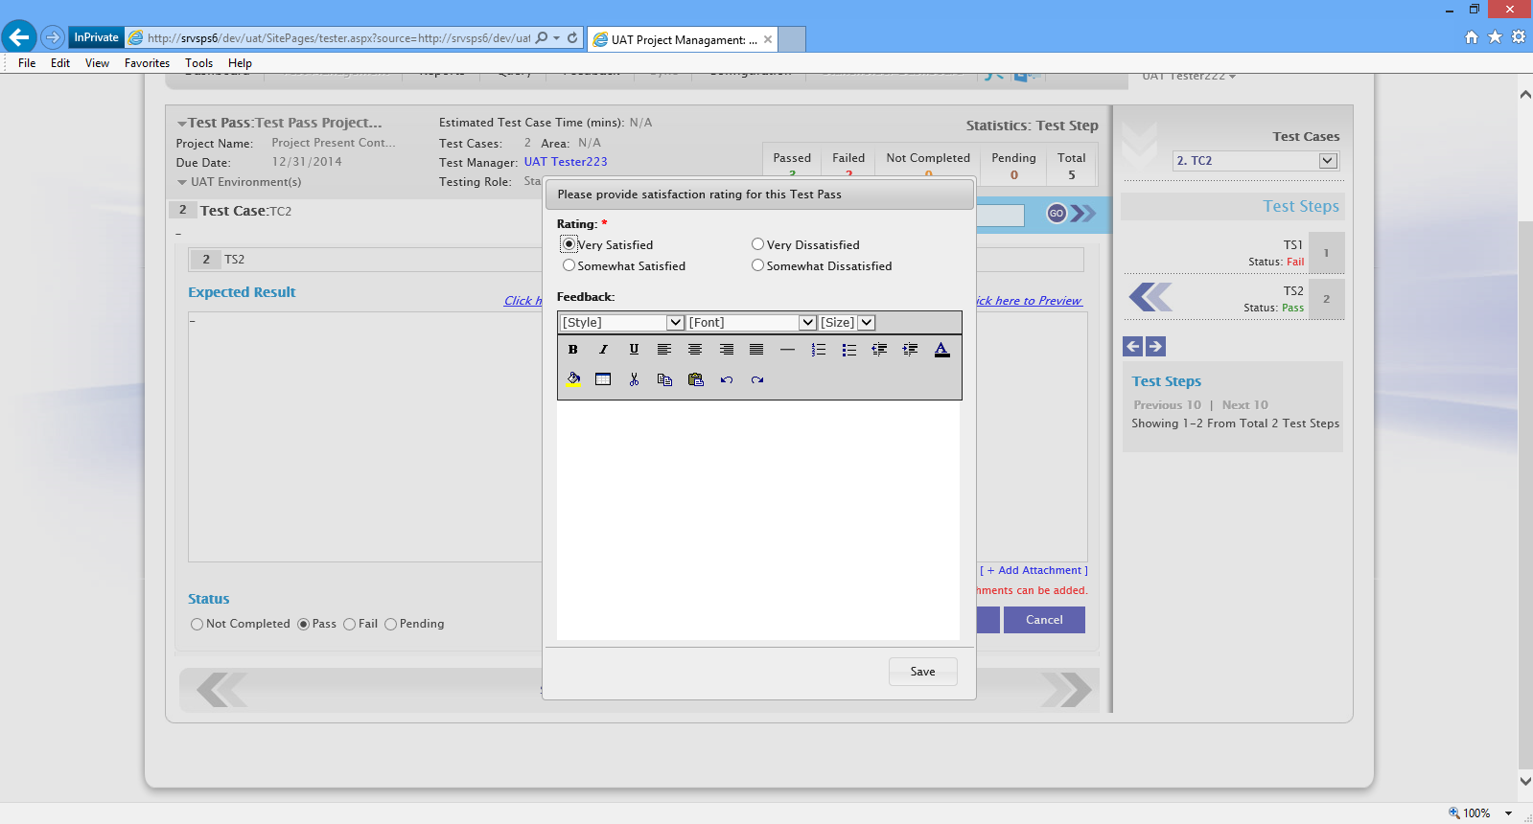 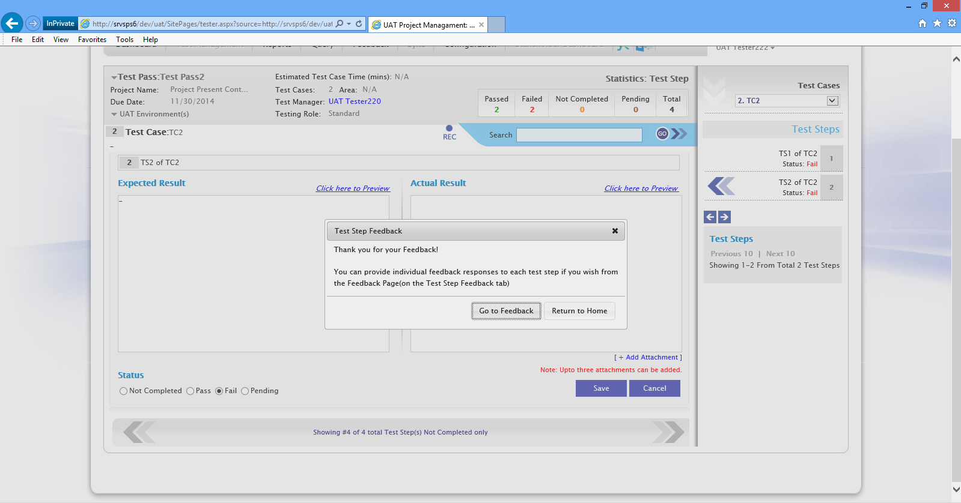 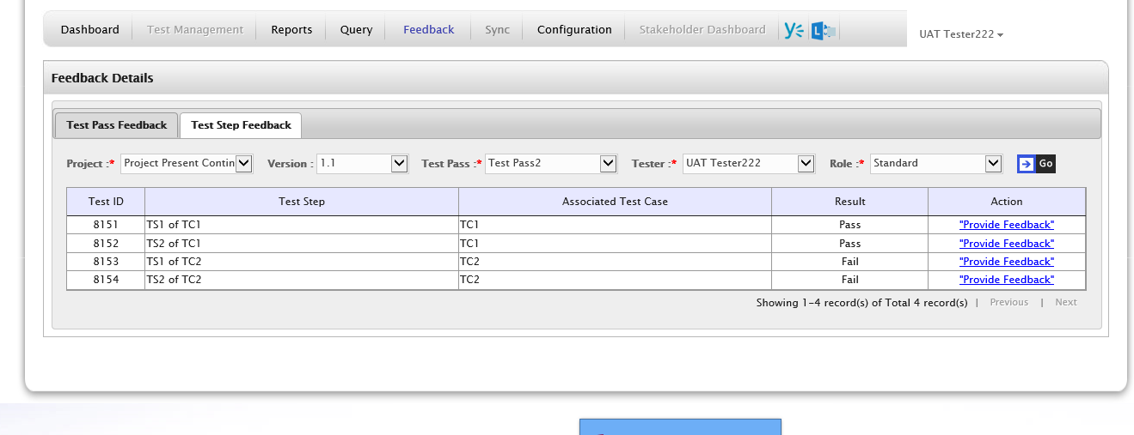 1. Project should be created successly 2. Test Pass should be created successfully 3. Configuration page should be opened successfully i). Project and respective test pass should be selected ii). Option should be selected by default and clicking 4.Tester should get created successfully. 5.Test cases should get created successfully 6.Test Steps should be saved succesfully 7. User should be logged in as tester and able to see the assigned Test Steps of Craeted project in My Activity 8. After last test step of each test pass is either' passed or failed, it shows feedback rating pop up.(Refer first screenshot) 9. Test Step Feedback pop up with Return Home and Go to Feedback buttons should appear. A). It should redirect to test step feedback page where the project, test pass, tester and its feedback grid(on which testing was performed) should be shown by default.(Refer above screenshot showing Feedback page screenshot) B). It should redirect to Dashboard page. C). 1.Satisfactory rating pop up should appear.(Screenshot1 shoul be appear) 5. Test Step Feedback pop up should not appear.(Screenshot 2 should no t appear) | Y | PASS
 | Feedback Rating After completion of each (Pass) Test Case. - A).Feedback Rating after each ‘Pass’ Test Case - Verify 'Continue Testing' pop up appears if it is not the last test case of activity. B). Verify Go to Feedback C). Verify Return Home D).Verify in case of Testing Complete, Test Step feedback pop up should not appear. | Testing_FeedbackRatingOnEachTC | Note:-Creation of input data is done with the admin credenttials 1. Create a project 2. Create a 2 Test Pass 3. Go to Configuration page (For both the same test passes select the same configuration option ) i).Select created project , version and test pass from drop down . ii).Select 'After completion of each (Pass) Test Case. ' option from 'Test Pass Level Options' 4.Create a Tester 5.Create 2 Test case 6.Create 2 test step for each Test Cases 7. Log in as tester. From my activities area, click Begin/Continue Testing 8. From my activities area, click Begin/Continue Testing A). 1. From my activities area, click Begin/Continue testing. Make sure test pass has multiple test cases 2. On Testing Page, 'Pass' test steps of a first non executed test case. 3. On Testing Page, 'Pass' test steps of a second last non executed test case. 9. Click Save on satisfactory rating feedback rating pop up. 10. Click Save on satisfactory rating feedback rating pop up. B).Click 'Go to Feedback' C). Click 'Return Home' D).1. On Testing Page, 'Pass' test steps of an already executed test case. 2. Click Save on satisfactory rating feedback rating pop up. | 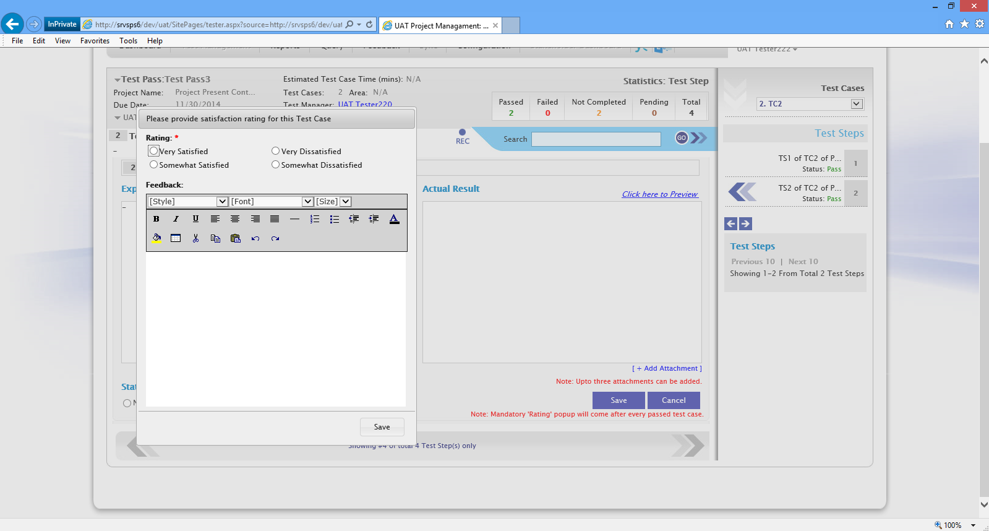 1. Project should be created successly 2. Test Pass should be created successfully 3. Configuration page should be opened successfully i). Project and respective test pass should be selected ii). Option should be selected 4.Tester should get created successfully. 5.Test cases should get created successfully 6.Test Steps should be saved succesfully 7. User should be logged in as tester and able to see the assigned Test Steps of Craeted project in My Activity 8. Testing page should opened A).1. Satisfactory rating pop up should appear.(Refer first screenshot). 2."Continue Testing' pop up should appear as there are test cases remaining to be executed. 3. User should get next Test Case for Testing 9. For every 'pass' test case a feedback pop up appearing Refer screenshot 1) 10. After last test step of test case is passed, it shows feedback rating pop up. 11. Test Step Feedback pop up with Return Home and Go to Feedback buttons should appear.(Refer screesnhot2) B). It should redirect to test step feedback page where the project, test pass, tester and its feedback grid(on which testing was performed) should be shown by default. C). It should redirect to Dashboard page. D).3. Satisfactory rating pop up should appear. 4. Test Step Feedback pop up should not appear. | Y | PASS
 | No Feedback Rating Pop-up. - A).Verify Go to Feedback C). Verify Return Home D).Verify in case of Testing Complete, Test Step feedback pop up should not appear. | Testing_NoFeedbackRatingPopUp | Note:-Creation of input data is done with the admin credenttials 1. Create a project 2. Create a 2 Test Pass 3. Go to Configuration page (For both the same test passes select the same configuration option ) i).Select created project , version and test pass from drop down . ii).Select 'No Rating popup ' option from 'Test Pass Level Options' 4.Create a Tester 5.Create 2 Test case 6.Create 2 test step for each Test Cases 7. Log in as tester. From my activities area, click Begin/Continue Testing 8. From my activities area, click Begin/Continue testing. Make sure test pass has multiple test cases A). 1. On Testing Page, 'Pass' test steps of a first non executed test case. 2. On Testing Page, either fail or pass all test steps of a non executed testcase in a test pass. 3. Click Save, verify Test Step Feedback notification pop up appears B).Click 'Go to Feedback' C). Click 'Return Home' D).On Testing page, change anything in any of the executed Test Case/Test Step at the end of Test pass activity. | A). On passing or failing last test step of a test pass, Test step feedback pop up should appear with 'Go To Feedback' and 'Return Home' button B). It should redirect to test step feedback page where the project, test pass, tester and its feedback grid(on which testing was performed) should be shown by default. C). 1. On passing or failing last test step of a test pass, Test step feedback pop up should appear. 2. It should redirect to Dashboard page. D).Test Step feedback pop up should not appear. | Y | PASS
5 | A: Verify the 'Sequential Testing within a Test Case' for a Test Pass. B: Verify the 'Sequential Testing within a Test Pass' for a Test Steps. C: Verify the 'Testing out of sequence' for a Test Steps. D: Verify the paging in the right side 'Test Cases' section. | Testing_VerifySequencingFeature | 1.Create a Project. 2.Create 3 Test Pass. 3.Create two Test Case under each Test Pass. 4.Create Testers for each Test Pass.(Preferably same tester) 5.Create two Test Steps for each Test Case of the Test Pass. 6.Go to Configuration Tab, for TP1 select 'Sequential Testing within a Test Case', for TP2 select 'Sequential Testing within a Test Pass' and TP3 'Testing out of sequence'. 7.Login with Tester credentials. 8.Click on 'Begin/Continue Testing' link A: 1. Select any Test Case of current Test Pass 1 from 'Test Cases' drop down to complete its testing. 2. Start testing of selected Test Case. B: 1. Select any Test Case of current Test Pass 2 from 'Test Cases' drop down to complete its testing. 2. Start testing of selected Test Case. 3. Try to execute test steps randomly without following sequence of its associated Test Step(s). C: 1. Select any Test Case of current Test Pass 3 from 'Test Cases' drop down to complete its testing. 2. Start testing of selected Test Case. 3. Try to execute test steps randomly without following sequence of its associated Test Step(s). D: For any test pass assigned to tester, give more than 10 test steps. 1. Click on next number. 2. Click on previous/next. | 1.Project created successfully. 2.Test Pass created successfully. 3.Tester created successfully. 4.Test Cases created successfully. 5.Test Step created successfully. 6.On configuration tab, user should be able to select different options for different Test Pass. 7. Login successfully with Tester credentials. 8.User should successfully lands on Testing page. A: 1. User should be able to do the Testing of any Test Case of current Test Pass without following sequence of its creation. B: 1. User should not be able to execute test steps of a test case in random sequence. And he should be able to execute test steps in the sequence of its creation. C: 1. User should be able to execute test steps of a test case in random sequence. D: 1. On clicking on next number, the next 11 test step should be shown. 2. On clicking previous/next tab, the precios 17 or next 11 test steps should be shown to tester. | Y | PASS

